Description of Pre-Screening
Pre-Screening of Eligibility for Application

(Only for students from schools other than senior high schools in the Japanese education system)

Applicants to whom the following conditions apply must first undergo a pre-screening of eligibility for application.
For any questions, please contact the Admissions Office in advance.

●Individuals who require pre-screening
Applicants who meet all of the conditions below are required to undergo pre-screening of eligibility for application.
①Those who graduated (or expect to graduate) from senior high school which is not based on the Japanese school
education system
②Those who can submit the documents designated by Rikkyo University
*However, those who have completed (are expected to complete) 12-year school education course at schools listed on the website below do not need to undergo a pre-screening of eligibility.
【Website of MEXT】List of Courses of Foreign Schools Corresponding to Upper Secondary Schools Designated by the Minister of Education, Culture, Sports, Science and Technology
https://www.mext.go.jp/en/policy/education/highered/title02/detail02/sdetail02/1395424.html

●Submission Period (If necessary, we may ask you to submit additional documents.)
（Entrance Exam for Athletes）Friday, July 7, 2023
（Admission Based on Self-Refferal、Entrance Exam for International Courses）Wednesday, August 23, 2023

※Please submit the necessary documents well in advance as it takes about two weeks to process the pre-screening
of eligibility for application.

●Submission Documents (If necessary, we may ask you to submit documents other than those listed below.)
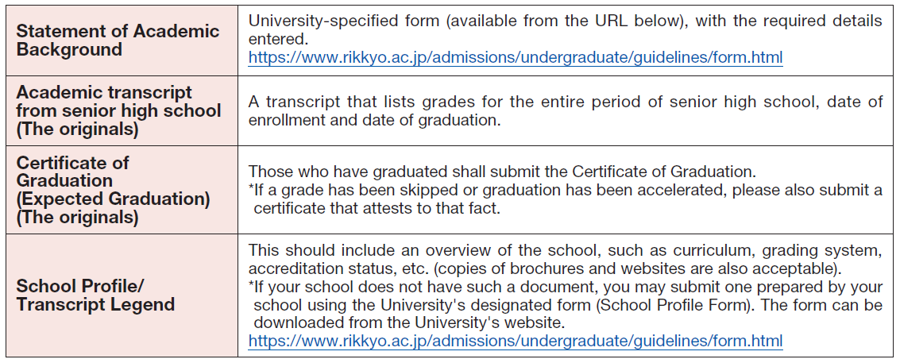

①For certificates, please submit “the originals” in principle. If submitting a copy, please submit a Certified True Copy.
②If certificates from your school are written in a language other than Japanese or English, please submit a
Japanese or English translation together with the originals of the certificates. Official certification of such
translations is not necessary.
③If you also wish to undergo a pre-screening of eligibility for other entrance exam, concurrent check will be available.
You may submit only a set of documents. However, please state clearly in the required fields of the Statement of Academic
Background which program you wish to apply to for each entrance exam type.
④If you are unable to submit the documents required for the pre-screening of eligibility for application, please contact
the Admissions Office.

●Submission Method

Please upload your completed Statement of Academic Background (①) and submit the documents by post (②).
Please note that pre-screening cannot be done only by uploading the Statement of Academic Background (①).

①Please upload the Excel file of your completed Statement of Academic Background from this form.
②Please send all the necessary documents (including the Statement of Academic Background) by post using
an envelope provided by the applicant.

※Please refer to the admission guideline for the details of submission method.
Admission guideline：https://www.rikkyo.ac.jp/admissions/undergraduate/guidelines/

How to Make Certified True Copy
